0001

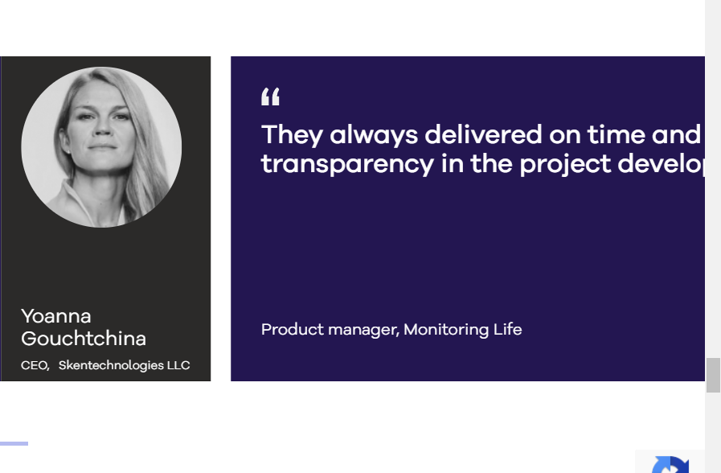
Field | Details
Bug ID | 1
Title | Elements with class glide__slides shifted to the right and not visible.
Description | Elements with the glide__slides class are shifted to the right and are not visible on the page. This breaks the correct display of the content, as the elements go beyond the visible area.
Steps to Reproduce | 1. Open the website Blackthorn.ai 2. Scroll down to any section containing .glide__slides(Our AI Development Services / Industries Where We Excel in Implementing AI / Meet Our Team Solutions / Our Awards & Certifications / What Clients Say Аbout Our Solutions) 3. Observe that carousel items are not fully visible and appear shifted to the right
Expected Result | All .glide__slides elements should be properly aligned within the container and visible to the user.
Actual Result | The elements are shifted outside the viewport, making them invisible or part-visible.
Priority | Medium.
Severity | High
Environment | Browser: Chrome 133.0.6943.54 OS: Windows 11 Device: Laptop Resolution: 1920х1080
Reporter | Holovnia Oleksandr
Date Reported | 2025-02-07
Assigned To | Development Team

Comments
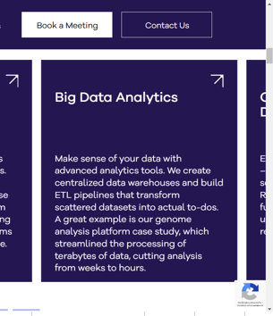
Attachments

0002

Field | Details
Bug ID | 2
Title | Too many buttons with class glide__bullet in the "Meet Our Team" section
Description | The “Meet Our Team” section of the page has an excessive number of buttons with the glide__bullet class.This creates confusion and can make it difficult for users to interact with the elements on the page.
Steps to Reproduce | 1. Open the website Blackthorn.ai 2. Go to the “Meet Our Team” section. 3. Observe the number of buttons with the glide__bullet class in this section. 4. Note that there are too many buttons, they may be unnecessary.
Expected Result | The number of glide__bullet buttons should be limited and match the number of elements or slides in the “Meet Our Team” section.
Actual Result | The “Meet Our Team” section has too many buttons with the glide__bullet class, which creates confusion and unnecessary load on the interface.
Priority | Low
Severity | Low
Environment | Browser: Chrome 133.0.6943.54 OS: Windows 11 Device: Laptop Resolution: 1920х1080
Reporter | Holovnia Oleksandr
Date Reported | 2025-02-07
Assigned To | Development Team
Comments

Attachments

